Sheet1
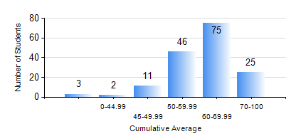
 |  |  | KWAME NKRUMAH UNIVERSITY OF SCIENCE AND TECHNOLOGY, KUMASI Department of Mechanical Engineering

 |  |  | BSC. MECHANICAL ENG.

 |  |  | COMPREHENSIVE RECORD OF EXAMINATION RESULTS

 |  |  | RESULTS OF YEAR 2 SECOND SEMESTER, 2020/2021 ACADEMIC YEAR

 | Sn | Course Code |  | Course Name | Credit Hours | Min. Mark | Max. Mark | Avg. Mark | Std. Dev. | No. Passed | No. Trailed | No. (Df) | No. (I) | No. (I*) | No. Tagged(I,I*,Df) | Total
 | 0. |  |  |  |  |  |  | 0 | 0 | 0 | 0 | 0 | 0 | 0 | 0 | 18
 | 1. | ENGL 264 |  | LITERATURE IN ENGLISH II | 1 | 0 | 75 | 58 | 10.16 | 141 | 3 | 0 | 0 | 0 | 0 | 144
 | 2. | MATH 252 |  | CALCULUS WITH SEVERAL VARIABLES | 4 | 0 | 82 | 54 | 12.78 | 136 | 8 | 0 | 0 | 0 | 0 | 144
 | 3. | ME 252 |  | FLUID DYNAMICS I | 2 | 0 | 89 | 53 | 19.08 | 124 | 20 | 0 | 0 | 0 | 0 | 144
 | 4. | ME 264 |  | MECHANISMS SYNTHESIS AND ANALYSIS I | 3 | 0 | 87 | 62 | 14.18 | 142 | 2 | 0 | 0 | 0 | 0 | 144
 | 5. | ME 266 |  | THERMODYNAMICS I | 2 | 0 | 89 | 62 | 15.85 | 137 | 7 | 0 | 0 | 0 | 0 | 144
 | 6. | ME 270 |  | MANUFACTURING TECHNOLOGY | 3 | 0 | 88 | 59 | 11.59 | 142 | 2 | 0 | 0 | 0 | 0 | 144
 | 7. | ME 274 |  | SECOND YEAR DESIGN PROJECT | 2 | 0 | 80 | 55 | 11.65 | 139 | 5 | 0 | 0 | 0 | 0 | 144
 | 8. | ME 296 |  | MECHANICAL ENGINEERING LAB. II | 1 | 0 | 95 | 77 | 13.57 | 142 | 2 | 0 | 0 | 0 | 0 | 144

